Tab
Image | EAN | Brand | Description | QTY |  | Price
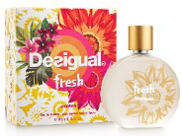 | 8434101180286 | Desigual | DSG Fresh EdT 50ml Women | 1,270 | € 34.99 | € 5.65
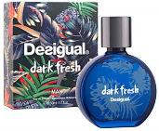 | 8434101181207 | Desigual | DSG Dark Fresh EdT 50ml Men | 6,211 | € 34.99 | € 5.65
 |  |  |  | 7,481

